Introduction
Position | DT Business Growth Analyst | Task1: Strategy Design
Required mindset | Deep-thinking, joy of learning | You will be asked to come up with a plan for mass personalized email
 |  | for B2B folks and a strategy for the scrapper
DT Areas of Work | Behavioral Intelligence, Execution, BizTech Acumen, Values driven decision making, Learnability
 |  | Task2: Dashboard Design
 |  | This would help you in building a dashboard to track
 |  | the campaigns and the movement of prospects across the funnel
 |  | This will help in managing campaigns by refresing the status

 |  | Why these tasks
About DT Data Champion Role | Blend of business analytics, growth hacking and data engineering. Solves real world problems, gets buyin of cross functional teams, takes ownership of the outcome | If you're hired as a Business Growth Analyst, you would be looking at a lot of real world problems, you'd have to design and implement solutions. Task1 evaluates your problem solving capabilities while Task2 evaluates your technical execution of the solution

 |  | If hired, what would you be taught
DeepTech Mindset | Ability to switch between abstract and concrete ideas, to spot core insights, to extrrapolate textual ideas to real world situations | You would learn Hubspot CRM, AI Prompt Workflows, Business Analytics, B2B Acquisition Data Science

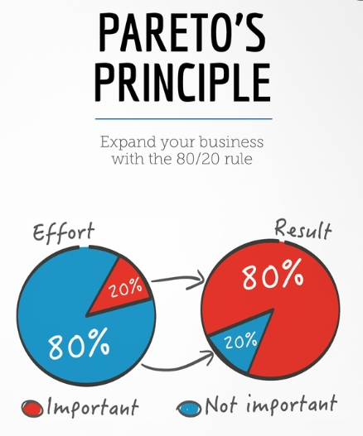

 |  | The tasks are quite easy, provided you follow the Pareto's law: spend 80% of the time reading and understanding, 20% time executing the task

